Authentication
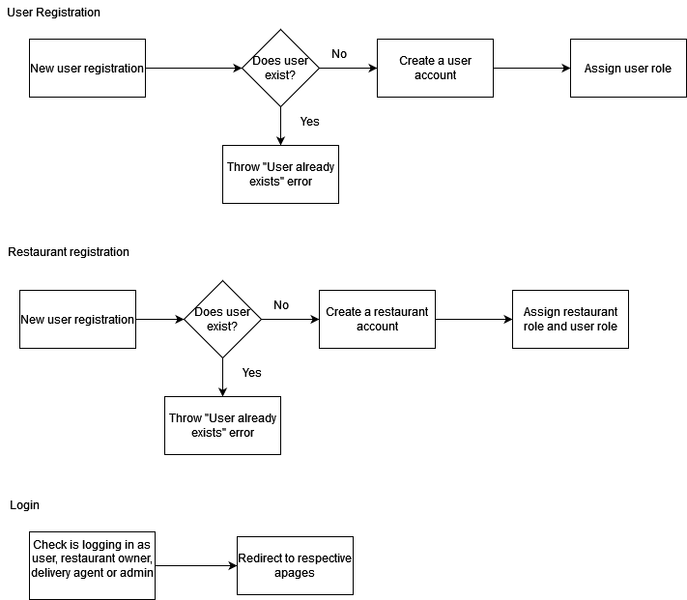
Task Name | Description | Status | Start Date | End Date | Duration | Comments | Design
Register | Add user Registration using email, password, role and name | Ready for QA |  | 2023-04-01
Login | Add login using email and password | Ready for QA |  | 2023-04-01

